A3D Notes
1.) | LED Signals

 |  |  | Teal static |  |  |  |  | Standby
 |  |  | Yellow static |  |  |  |  | Busy
 |  |  | e.g. | Homing, Bed Levelling, Bed Probing, Bed Meshing

 |  |  | Red Flashing |  |  |  | Error
 |  |  | e.g. | GCODE Error / Filament Run Out while printing
 |  |  |  | This signal does not indicate code or firmware errors, as the firmware cannot start up when such errors occur.

 |  |  | Green Flashing |  |  |  |  | Warning
 |  |  |  | e.g. | No filament detected in toolhead on startup

 | ↓ | · |  | Tool head or Bed gradient flashing from White to RED |  |  |  |  |  | Heating up / Cooling Down
 | → | ↑ |  |  | e.g. | During start print heating up bed and nozzle
 |  |  |  |  |  | After print temperature monitoring when cooling down

 |  |  |  | ↓ | · |  | LED Main Orange + Gradient Flashing Similar to above effect + Slow Yellow Flashing of Toolhead
 |  |  |  | → | ↑ |  | Preheating

2.) | Changing default LED colors
 | · | Logo Colors
 |  | - | Unfortunately, I tried to make this a passable parameter, but there is a bug where the brightness increases on each call of the LED effect.
 |  | - | You have to manually change the colors under configs/lights-cfg/lights_led_effects_A3D.cfg

 |  |  |  | [led_effect ready_b]
 |  |  |  | autostart: false
 |  |  |  | frame_rate: 24
 |  |  |  | leds:
 |  |  |  | neopixel:chamber (21-28)
 |  |  |  | layers:
 |  |  |  | gradient 1 1 top (0,0.04,0.01) |  |  |  |  | <= Update this

 |  | - | Just make sure that the static and non static effect has a matching color for effects that have static effects
 |  |  | e.g., ready_b and ready_b_static
 |  | - | You can edit the color of any effect. By your choice

 | · | Nozzle and Main LED
 |  | - | You can change default colors by updating parameters under variables_A3D.cfg

 |  |  |  | variable_main_r: 1
 |  |  |  | variable_main_g: 1
 |  |  |  | variable_main_b: 1

 |  |  |  | variable_noz_r: 0
 |  |  |  | variable_noz_g: 0
 |  |  |  | variable_noz_b: 0
 |  |  |  | variable_noz_w: 1

 |  | - | You can also change temporarily in the Miscellaneous
 |  | - | The Display Logo color is fixed and cannot be changed manually
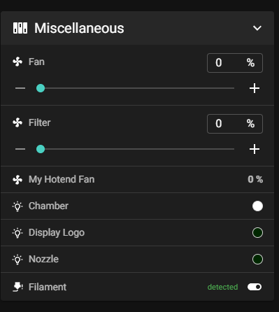
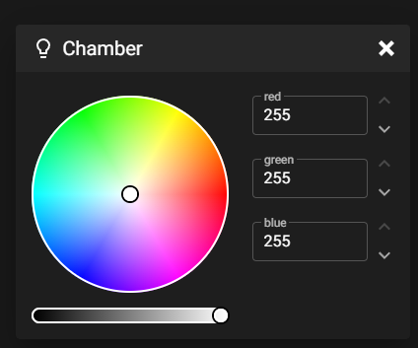
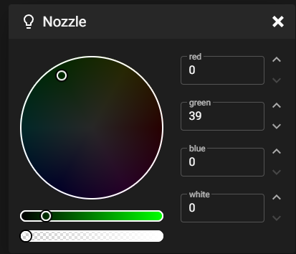

3.) | When preheating chamber using the macro, always execute stop preheat macro before any operation
 |  | Web page: Preheat Chamber/Stop Preheat Macro
 |  | Display: Under Menu => Temperature => Preheat Chamber/Stop Preheat Macro

 |  | The idle timeout is set to 10 mins., this stops the printer and resets the status to standy, no need to Stop Preheat

4.) | Always shutdown using the Shutdown Macro. You can safely turn off power after 5 seconds of the lights being off

5.) | For prints taller than 104 mm (Near the bottom), the next homing sequence will trigger the Z-min switch and cause an emergency stop due to potential Z motor stall.
 | To avoid this, perform a Home Raise Macro when the bed is near the bottom before homing.
 | When the bottom emergency stop is triggered, you must manually raise the bed to release the Z-min switch and perform a Home Raise Macro.
 | For print sizes smaller than 104mm, the bed moves near the bottom but still allows safe Z movement during homing.

6.) | When performing any tuning procedure, especially when operated via the Display, please complete the existing operation first before proceeding to other matters.
 | e.g. | You could still access and execute the UNLOAD FILAMENT ASSISTING MACROS WHILE PERFORMING A LOAD FILAMENT

7.) | When encountering a GCODE error that stops the print, reset the LED lights using "LED_RESET" macro

8.) | Excluded Priming Area
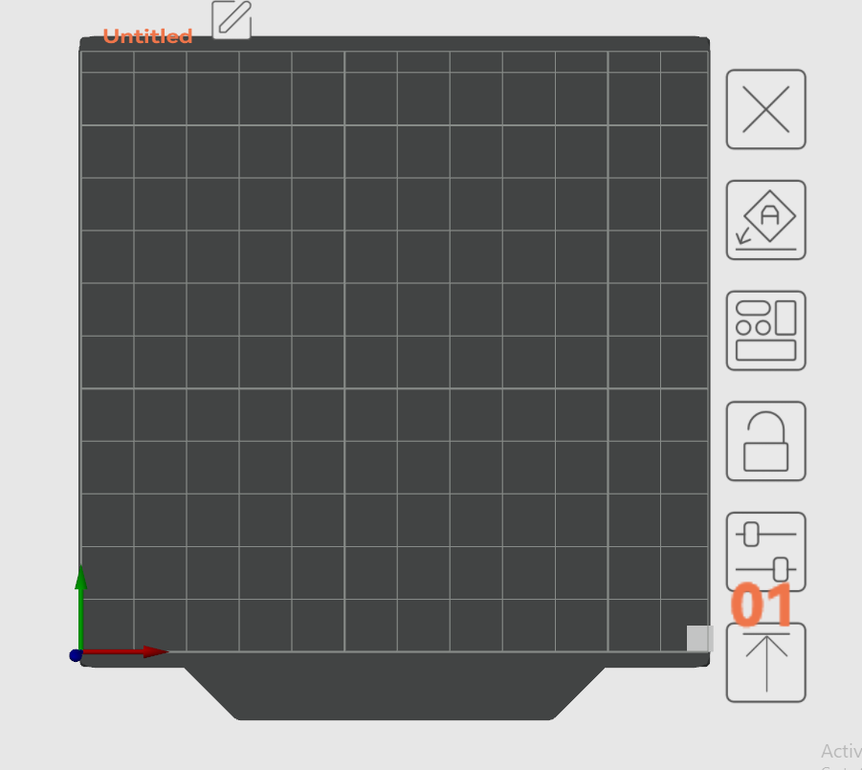

9.) | Pause/Resume is not setup properly. When a print pauses, there is a high chance of failure when resuming the print

10.) | Removing / Attaching the Tophat and Door |  |  |  |  |  |  |  | Goto Remove-Attach Tophat and Door Sheet

Remove-Attach Tophat and Door
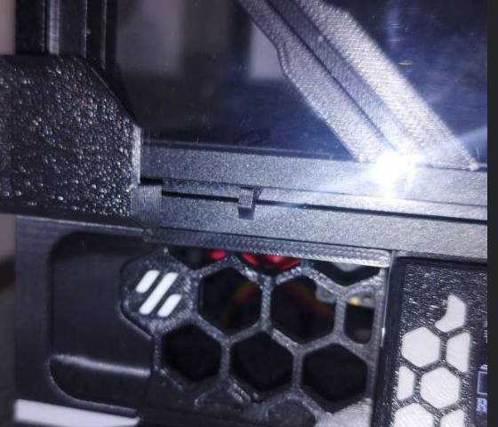
REMOVING/ATTACHING THE TOPHAT AND DOOR
 | Removing the Tophat and Door
 | 1.) | Open the door
 | 2.) | Release the "LazyCam" locks

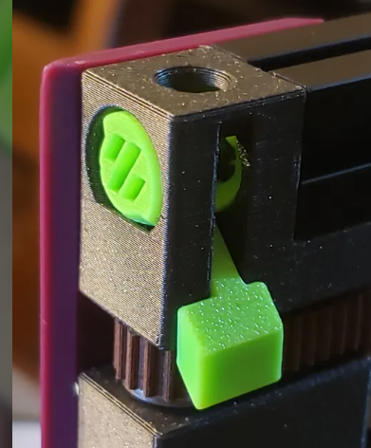

Release

 |  | https://www.printables.com/model/533483-voron-02-lazycams-tool-free-locking-idlers-for-top

 | 3.) | Temporarily remove the magnetic mounted camera in the tophat
 | 4.) | Swing the tophat gently

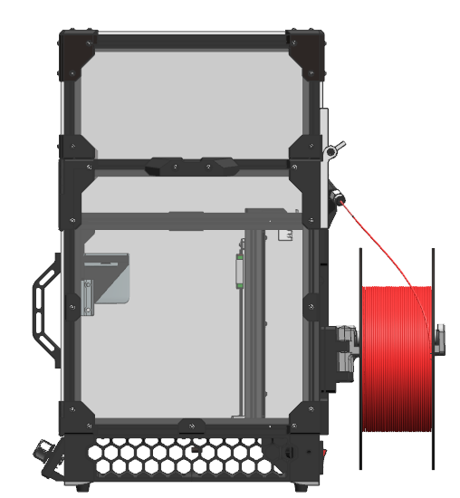

 | 5.) | Eject the tophat by aligning the gaps in the tophat hinge and make a pulling motion
 |  | (You could also assist the release by pushing the tips of the tophat hinge)

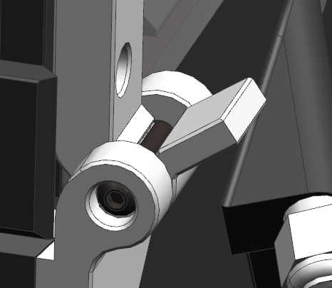

Tip of hinge

 |  | https://www.printables.com/model/659597-chirpys-v02-lift-off-tophat-hinges-with-backstop
 |  | https://github.com/chirpy2605/voron/tree/main/V0/Lift-Off_Tophat_Hinges

 | 6.) | Remove the door by pulling it up
 |  | Warning: Be careful with the panels. They are polycarbonate and very easy to scratch

 | 7.) | Use the separate magnetic bracket to mount the camera in the front of the printer

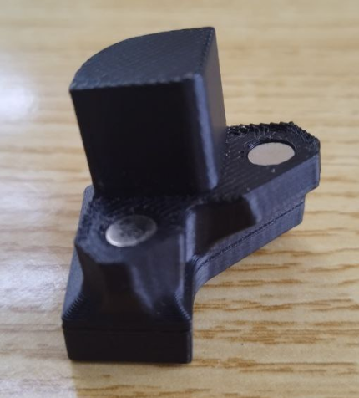
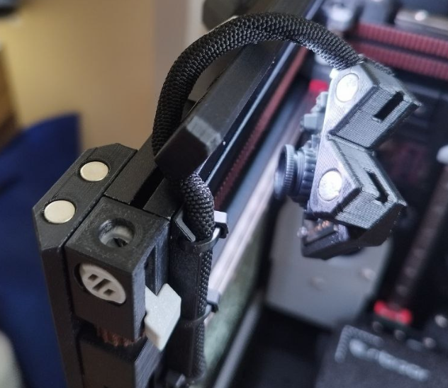
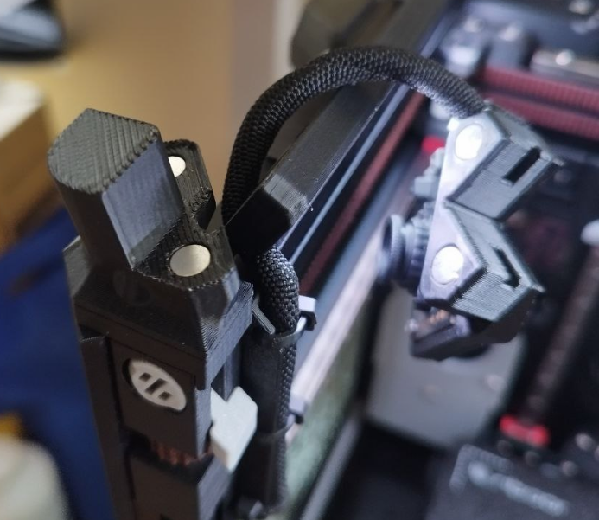
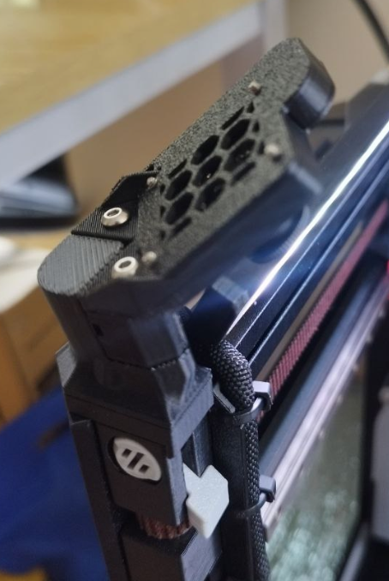

 | 8.) | Complete, the printer should look like the image below:

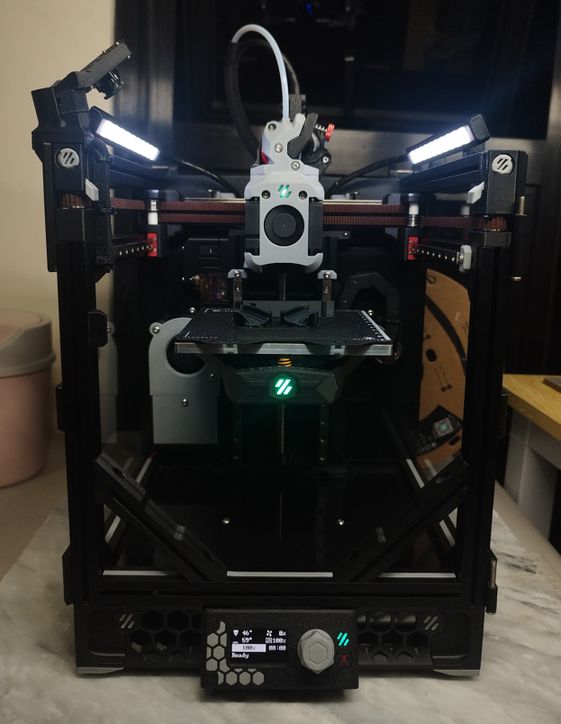

 | 9.) | When putting the tophat back you must perform the above steps in reverse
 |  | 9.1) | Remove the camera and bracket. Make sure to dangle the camera inside the printer
 |  | 9.2) | Attach the door
 |  | 9.3) | Put the cam locks to open position
 |  | 9.4) | Attach the tophat and hinge it close. Lock the cam locks afterwards
 |  |  | Note: |  | The camlocks are supposed to be not fully hinged closed because it locks the tophat in that position!

Expected
Actual

 |  | 9.5) | Mount the camera in the tophat and close the door
 |  | 9.6) | When closing the door, make sure that it is fully closed on the top and bottom portion
 |  |  | A.) | I have provided a mounting point in the bottom of the door for it to rest
 |  |  | B.) | Sometimes either the tophat or this bottom mount will interfere.
 |  |  | C.) | The tight fit ensures that we minimize the exposure from the outside

